Request
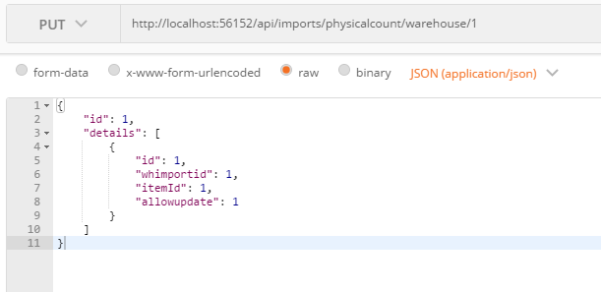
Parameter | Data Type | Length | Required | Unique | Remarks
Token | String |  | Yes |  | Bearer Token see AuthenticateAPI docu
Id | Int |  | Yes |  | WHImport.Id
Details | Array |  | Yes
Id | Int |  | Yes |  | WHImportDetail.Id
WHImportId | Int |  | Yes |  | WHImport.Id
ItemId | Int |  | Yes |  | WHImport.ItemId
AllowUpdate | Int |  | Yes |  | 0 or 1

Example

Response
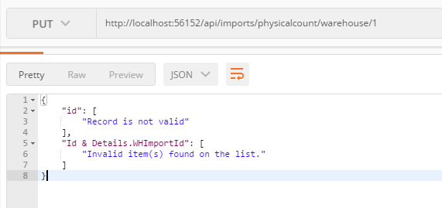
With error

